Geometric Models
GEOMETRIC POPULATION GROWTH MODELS

These types of population growth models are the most simple
Recall that the written general form of geometric population growth is NT = No*lT, where
 | T is the number of time steps
 | l (written lambda) is the multiplier and describes how much the population grows at each time step
 | NT is the population size at time T

Time is discrete because population size is estimated based on time steps (e.g. year, day)
These models are deterministic because the value for l is held constant and does not have a random component

We will begin these Exercises by exploring simple geometric population growth models.
We will then add more complexity to these models by investigating how population growth changes when:
 | Population growth varies stochastically through time (i.e. lambda varies randomly)
 | Time is considered as a continuous rather than a discrete variable


Now move to Exercise 1 by clicking on the Ex 1 tab below

 |  | The types of models explored here were used to examine how sea otter populations increased after hunting reduced numbers drastically. The populations in Alaska showed geometric (or exponential) growth.

Ex 1
EXERCISE 1: Geometric population growth

This exercise illustrates the dramatic effect that increases in lambda can have on population growth.
 | Recall that the written general form of geometric population growth is NT = No*lT

l = | 5
TIME | 0 | 1 | 2 | 3 | 4 | 5 | 6 | 7 | 8 | 9 | 10
N | 2 | 10 | 50 | 250 | 1250 | 6250 | 31250 | 156250 | 781250 | 3906250 | 19531250

With the above model, where No starts at 2, enter the l
values below and determine population size at year 10
1) | l = 0.5 | N10 =
2) | l = 1.0 | N10 =
3) | l = 2.0 | N10 =
4) | l = 5.0 | N10 =

Now move to Exercise 2 by clicking on the Ex 2 tab below

Ex 3
EXERCISE 3: Arithmetic vs. logarithmic scale for N

Compare N plotted in arithmetic versus logarithmic scale:
 | We can plot population growth in two ways: the actual population size (left graft below) or the logarithm of population size (right graph)
 | Enter a few different values of l and compare the shapes of the curves for N plotted in arithmetic versus logarithmic scale.
 | Try a few values of l like 0.5, 1, 2, 3, 4 ....

l = | 1
Time | 0 | 1 | 2 | 3 | 4 | 5 | 6 | 7 | 8 | 9 | 10
N | 10 | 10 | 10 | 10 | 10 | 10 | 10 | 10 | 10 | 10 | 10
log N | 1.00 | 1.00 | 1.00 | 1.00 | 1.00 | 1.00 | 1.00 | 1.00 | 1.00 | 1.00 | 1.00
ARITHMETIC SCALE
LOGARITHMIC SCALE

Now answer the following questions about arithmetic and logarithmic scales:
1) | How do the shapes of the relationships between N or Log N and time differ?
As an aside, consider for yourself why the log version might be useful (no need to enter this on the answer sheet)
Now move to the Intro to Exercises 4-5 by clicking on the Stochastic models tab below

Stochastic Models
STOCHASTIC POPULATION DYNAMICS

These next Exercises examine STOCHASTIC population growth
Recall that stochastic growth has a random element in it
In contrast, deterministic models do not have a random component

The difference is profound:
With deterministic, if you run the model several times, the output will be identical
With stochastic, the output will differ every time
(like a series of coin tosses in a row; the exact sequence of heads and tails is impossible to predict)

This means that it is impossible to predict the output of a stochastic model simply from the value of the input variables
Instead, one can only talk about probabilities

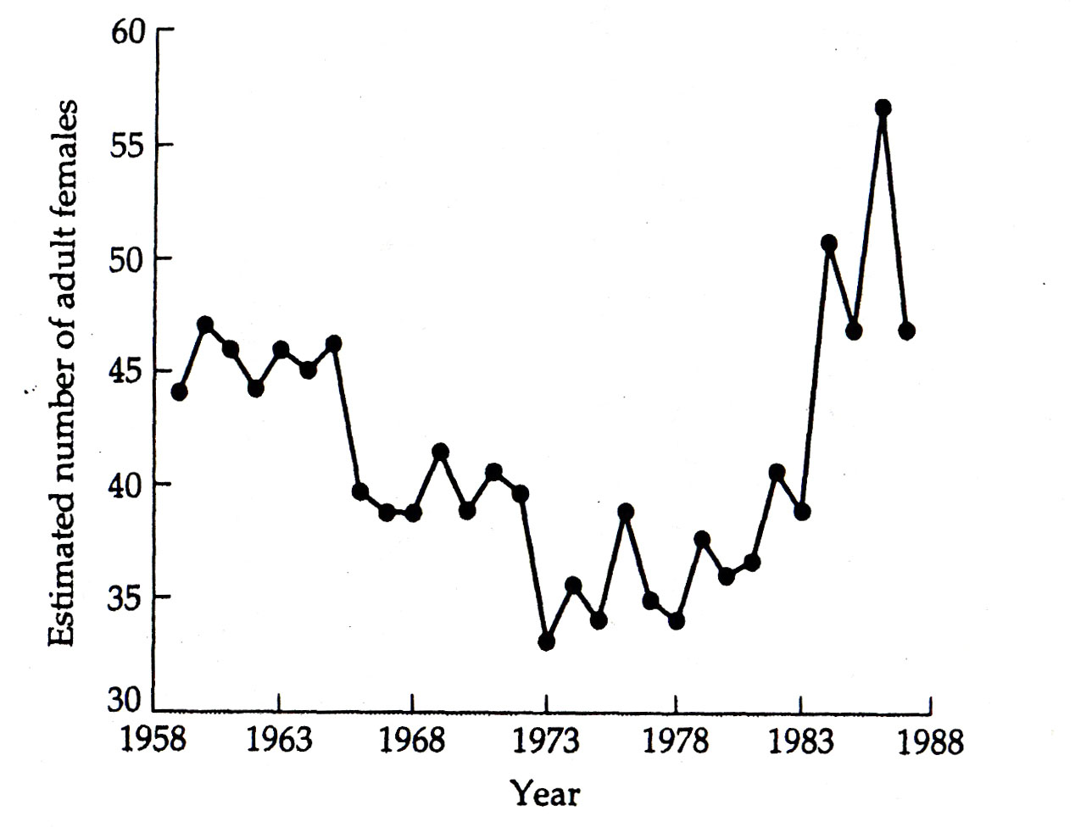
For example, stochastic influences increase fluctuations and the risk of extinction
One can use the models to assess extinction risk by
(1) running the model many times (e.g. 100 or 1000 times)
(2) counting the proportion of times the simulated population went extinct

Now move to Exercise 4 by clicking on the Ex 4 tab below

 | Graph showing real population data from Grizzly Bears in Yellowstone Park. The population dynamics seem very similar to patterns generated by stochastic models.

Ex 5
EXERCISE 5: Stochastic population models in action

Here are the details of our stochastic population growth model:
 | (i) Baseline l = 1.00
 | (ii) Each time unit, a stochastic deviation of .2 from this baseline is determined by a coin toss
 | (i.e. at each time unit, 50% chance that l = 1.2, 50% chance l = 0.8)
 | (iii) the population is run for 100 time units, multiplying the previous N by the stochastic l to calculate the new N at each time step
 | Thus, each run of the model is a "simulation" of a population changing over 100 time units

Trial runs:
 | 1) First, enter the same initial population size (100) several times and note that the dynamics change each time
 | 2) Then, try entering different initial population sizes (e.g. 5, 10, 20, 100)
 | 3) Each time contrast the two means in the blue cells and confirm that Geometric < Arithmetic
Stochastic population dynamics

 |  | Initial population size = | 20

 |  | Baseline lambda (l) = | 1.00 | 0.43097211558 | 0.75949363601 | 0.58483929092 | 0.10332452094 | 0.64275682598 | 0.51375594151 | 0.81241049739 | 0.25871545361 | 0.79548123456 | 0.160093569 | 0.023865371164 | 0.11668993098 | 0.66352797908 | 0.19266695357 | 0.52130144652 | 0.60632388987 | 0.47500185226 | 0.14860485004 | 0.72154045887 | 0.54391889914 | 0.82848156112 | 0.86891072616 | 0.23176054681 | 0.50455046457 | 0.31932188502 | 0.99733233223 | 0.25786492609 | 0.20822276824 | 0.94110936217 | 0.07180445257 | 0.57704449449 | 0.28575249223 | 0.51192651648 | 0.50181185415 | 0.44922290593 | 0.87103931211 | 0.9883869175 | 0.89936529927 | 0.010647869641 | 0.014834053634 | 0.77523002891 | 0.36781440123 | 0.44401671226 | 0.29194115592 | 0.38028815166 | 0.48360148542 | 0.020248553576 | 0.66664850623 | 0.14362274666 | 0.6041171075 | 0.15149084984 | 0.72091893916 | 0.11623065469 | 0.88120125257 | 0.83014954968 | 0.32857679878 | 0.82452662754 | 0.43649974759 | 0.53640661088 | 0.86533752229 | 0.74080498819 | 0.35605407404 | 0.81308459364 | 0.84130175348 | 0.78395101555 | 0.69987176442 | 0.8820042314 | 0.44980694105 | 0.64294612965 | 0.33547884723 | 0.010998844067 | 0.81827654568 | 0.98565844705 | 0.52135487268 | 0.42813272388 | 0.13055923745 | 0.60428317748 | 0.98957769585 | 0.55421775295 | 0.85841442037 | 0.92046420585 | 0.89942200748 | 0.9936178373 | 0.26145696461 | 0.43429267861 | 0.4807124516 | 0.57439071098 | 0.31446092007 | 0.88481506679 | 0.1640924839 | 0.098496560829 | 0.90249383366 | 0.55018768183 | 0.61048567687 | 0.76055106924 | 0.67383215253 | 0.010942208847 | 0.72807109518 | 0.11637267451 | 0.91844076853 | 0.479410212
 |  |  |  | 1 | -1 | -1 | 1 | -1 | -1 | -1 | 1 | -1 | 1 | 1 | 1 | -1 | 1 | -1 | -1 | 1 | 1 | -1 | -1 | -1 | -1 | 1 | -1 | 1 | -1 | 1 | 1 | -1 | 1 | -1 | 1 | -1 | -1 | 1 | -1 | -1 | -1 | 1 | 1 | -1 | 1 | 1 | 1 | 1 | 1 | 1 | -1 | 1 | -1 | 1 | -1 | 1 | -1 | -1 | 1 | -1 | 1 | -1 | -1 | -1 | 1 | -1 | -1 | -1 | -1 | -1 | 1 | -1 | 1 | 1 | -1 | -1 | -1 | 1 | 1 | -1 | -1 | -1 | -1 | -1 | -1 | -1 | 1 | 1 | 1 | -1 | 1 | -1 | 1 | 1 | -1 | -1 | -1 | -1 | -1 | 1 | -1 | 1 | -1 | 1
 |  | Arithmetic mean l = | 0.972 | 0.2 | -0.2 | -0.2 | 0.2 | -0.2 | -0.2 | -0.2 | 0.2 | -0.2 | 0.2 | 0.2 | 0.2 | -0.2 | 0.2 | -0.2 | -0.2 | 0.2 | 0.2 | -0.2 | -0.2 | -0.2 | -0.2 | 0.2 | -0.2 | 0.2 | -0.2 | 0.2 | 0.2 | -0.2 | 0.2 | -0.2 | 0.2 | -0.2 | -0.2 | 0.2 | -0.2 | -0.2 | -0.2 | 0.2 | 0.2 | -0.2 | 0.2 | 0.2 | 0.2 | 0.2 | 0.2 | 0.2 | -0.2 | 0.2 | -0.2 | 0.2 | -0.2 | 0.2 | -0.2 | -0.2 | 0.2 | -0.2 | 0.2 | -0.2 | -0.2 | -0.2 | 0.2 | -0.2 | -0.2 | -0.2 | -0.2 | -0.2 | 0.2 | -0.2 | 0.2 | 0.2 | -0.2 | -0.2 | -0.2 | 0.2 | 0.2 | -0.2 | -0.2 | -0.2 | -0.2 | -0.2 | -0.2 | -0.2 | 0.2 | 0.2 | 0.2 | -0.2 | 0.2 | -0.2 | 0.2 | 0.2 | -0.2 | -0.2 | -0.2 | -0.2 | -0.2 | 0.2 | -0.2 | 0.2 | -0.2 | 0.2
 |  |  |  | 1.2 | 0.8 | 0.8 | 1.2 | 0.8 | 0.8 | 0.8 | 1.2 | 0.8 | 1.2 | 1.2 | 1.2 | 0.8 | 1.2 | 0.8 | 0.8 | 1.2 | 1.2 | 0.8 | 0.8 | 0.8 | 0.8 | 1.2 | 0.8 | 1.2 | 0.8 | 1.2 | 1.2 | 0.8 | 1.2 | 0.8 | 1.2 | 0.8 | 0.8 | 1.2 | 0.8 | 0.8 | 0.8 | 1.2 | 1.2 | 0.8 | 1.2 | 1.2 | 1.2 | 1.2 | 1.2 | 1.2 | 0.8 | 1.2 | 0.8 | 1.2 | 0.8 | 1.2 | 0.8 | 0.8 | 1.2 | 0.8 | 1.2 | 0.8 | 0.8 | 0.8 | 1.2 | 0.8 | 0.8 | 0.8 | 0.8 | 0.8 | 1.2 | 0.8 | 1.2 | 1.2 | 0.8 | 0.8 | 0.8 | 1.2 | 1.2 | 0.8 | 0.8 | 0.8 | 0.8 | 0.8 | 0.8 | 0.8 | 1.2 | 1.2 | 1.2 | 0.8 | 1.2 | 0.8 | 1.2 | 1.2 | 0.8 | 0.8 | 0.8 | 0.8 | 0.8 | 1.2 | 0.8 | 1.2 | 0.8 | 1.2
 |  | Geometric mean l = | 0.952 | 0 | 1 | 2 | 3 | 4 | 5 | 6 | 7 | 8 | 9 | 10 | 11 | 12 | 13 | 14 | 15 | 16 | 17 | 18 | 19 | 20 | 21 | 22 | 23 | 24 | 25 | 26 | 27 | 28 | 29 | 30 | 31 | 32 | 33 | 34 | 35 | 36 | 37 | 38 | 39 | 40 | 41 | 42 | 43 | 44 | 45 | 46 | 47 | 48 | 49 | 50 | 51 | 52 | 53 | 54 | 55 | 56 | 57 | 58 | 59 | 60 | 61 | 62 | 63 | 64 | 65 | 66 | 67 | 68 | 69 | 70 | 71 | 72 | 73 | 74 | 75 | 76 | 77 | 78 | 79 | 80 | 81 | 82 | 83 | 84 | 85 | 86 | 87 | 88 | 89 | 90 | 91 | 92 | 93 | 94 | 95 | 96 | 97 | 98 | 99 | 100
 |  |  |  | 20 | 16 | 12.8 | 15.36 | 12.288 | 9.8304 | 7.86432 | 9.437184 | 7.5497472 | 9.05969664 | 10.871635968 | 13.045963162 | 10.436770529 | 12.524124635 | 10.019299708 | 8.0154397665 | 9.6185277198 | 11.542233264 | 9.233786611 | 7.3870292888 | 5.909623431 | 4.7276987448 | 5.6732384938 | 4.538590795 | 5.446308954 | 4.3570471632 | 5.2284565959 | 6.2741479151 | 5.019318332 | 6.0231819985 | 4.8185455988 | 5.7822547185 | 4.6258037748 | 3.7006430199 | 4.4407716238 | 3.5526172991 | 2.8420938392 | 2.2736750714 | 2.7284100857 | 3.2740921028 | 2.6192736822 | 3.1431284187 | 3.7717541024 | 4.5261049229 | 5.4313259075 | 6.517591089 | 7.8211093068 | 6.2568874455 | 7.5082649345 | 6.0066119476 | 7.2079343372 | 5.7663474697 | 6.9196169637 | 5.5356935709 | 4.4285548568 | 5.3142658281 | 4.2514126625 | 5.101695195 | 4.081356156 | 3.2650849248 | 2.6120679398 | 3.1344815278 | 2.5075852222 | 2.0060681778 | 1.6048545422 | 1.2838836338 | 1.027106907 | 1.2325282884 | 0.98602263075 | 0 | 0 | 0 | 0 | 0 | 0 | 0 | 0 | 0 | 0 | 0 | 0 | 0 | 0 | 0 | 0 | 0 | 0 | 0 | 0 | 0 | 0 | 0 | 0 | 0 | 0 | 0 | 0 | 0 | 0 | 0 | 0
 |  |  |  | 20 | 16 | 12.8 | 15.36 | 12.288 | 9.8304 | 7.86432 | 9.437184 | 7.5497472 | 9.05969664 | 10.871635968 | 13.045963162 | 10.436770529 | 12.524124635 | 10.019299708 | 8.0154397665 | 9.6185277198 | 11.542233264 | 9.233786611 | 7.3870292888 | 5.909623431 | 4.7276987448 | 5.6732384938 | 4.538590795 | 5.446308954 | 4.3570471632 | 5.2284565959 | 6.2741479151 | 5.019318332 | 6.0231819985 | 4.8185455988 | 5.7822547185 | 4.6258037748 | 3.7006430199 | 4.4407716238 | 3.5526172991 | 2.8420938392 | 2.2736750714 | 2.7284100857 | 3.2740921028 | 2.6192736822 | 3.1431284187 | 3.7717541024 | 4.5261049229 | 5.4313259075 | 6.517591089 | 7.8211093068 | 6.2568874455 | 7.5082649345 | 6.0066119476 | 7.2079343372 | 5.7663474697 | 6.9196169637 | 5.5356935709 | 4.4285548568 | 5.3142658281 | 4.2514126625 | 5.101695195 | 4.081356156 | 3.2650849248 | 2.6120679398 | 3.1344815278 | 2.5075852222 | 2.0060681778 | 1.6048545422 | 1.2838836338 | 1.027106907 | 1.2325282884 | 0 | 0 | 0 | 0 | 0 | 0 | 0 | 0 | 0 | 0 | 0 | 0 | 0 | 0 | 0 | 0 | 0 | 0 | 0 | 0 | 0 | 0 | 0 | 0 | 0 | 0 | 0 | 0 | 0 | 0 | 0 | 0 | 0
 |  | Population at time t=100 | EXTINCT!!

STOCHASTIC POPULATION DYNAMICS
1 | 100
2 | 80
3 | 96
4 | 76.8
5 | 61.44
6 | 73.728
7 | 88.4736
8 | 106.16832
9 | 84.934656
10 | 67.9477248
11 | 54.35817984
12 | 65.229815808
13 | 52.183852646
14 | 62.620623176
15 | 75.144747811
16 | 60.115798249
17 | 48.092638599
18 | 38.474110879
19 | 30.779288703
20 | 24.623430963
21 | 29.548117155
22 | 35.457740586
23 | 42.549288703
24 | 34.039430963
25 | 27.23154477
26 | 32.677853724
27 | 26.142282979
28 | 20.913826384
29 | 16.731061107
30 | 13.384848885
31 | 10.707879108
32 | 8.5663032867
33 | 6.8530426294
34 | 8.2236511552
35 | 9.8683813863
36 | 11.842057664
37 | 9.4736461308
38 | 7.5789169047
39 | 6.0631335237
40 | 7.2757602285
41 | 5.8206081828
42 | 4.6564865462
43 | 3.725189237
44 | 2.9801513896
45 | 3.5761816675
46 | 4.291418001
47 | 5.1497016012
48 | 4.119761281
49 | 3.2958090248
50 | 2.6366472198
...
Go back to the above model and do the following simulations:
1) | Do 25 runs of the population starting with initial population = 10
 | Count how many times the population goes extinct, record this on your sheet
2) | Do 25 runs of the population with initial population = 100
 | Count how many times the population goes extinct, record this on your sheet
 | Hint: remember the repeated copy and paste trick-- it will make the 25 simulations go very quickly!

After you have completed your simulations, answer the following questions for yourself (fair game for exams so do the exercises!):
 | • How does the shape of the population dynamics differ for stochastic versus deterministic models?
 | • For which type of population model can you accurately predict what the population size will be in the future? Why?
 | • For this stochastic model, when does the population go extinct (i.e. at what mean values of l)?
 | • Can the population go extinct when the arithmetic mean l =1?
 | • Based on your answer to the previous question, which is a better predictor of longterm population growth or decline
 | for a stochastic population model - the arithmetic or the geometric mean l? Why?

Now move to Exercise 6-11 by clicking on the Logistic Models tab below

Logistic Models
LOGISTIC MODEL OF POPULATION GROWTH

The next set of worksheets explore the LOGISTIC MODEL OF POPULATION GROWTH
In this case, we are exploring the discrete version which deals with time in discrete intervals

BACKGROUND
Without any control, populations growing geometrically would increase for ever, at ever accelerating rates
As Darwin noted we soon be up to our armpits in elephants!
However, this is not biologically reasonable, because something will eventually limit growth
The easiest way to model this is to assume that population growth slows as the population grows
As N increases, increased competition for resources also increases, and survival or reproduction decreases
This is referred to as DENSITY DEPENDENCE (density refers to N)
Density-dependence is incorporated into the model by adjusting the intrinsic maximum growth rate (r)
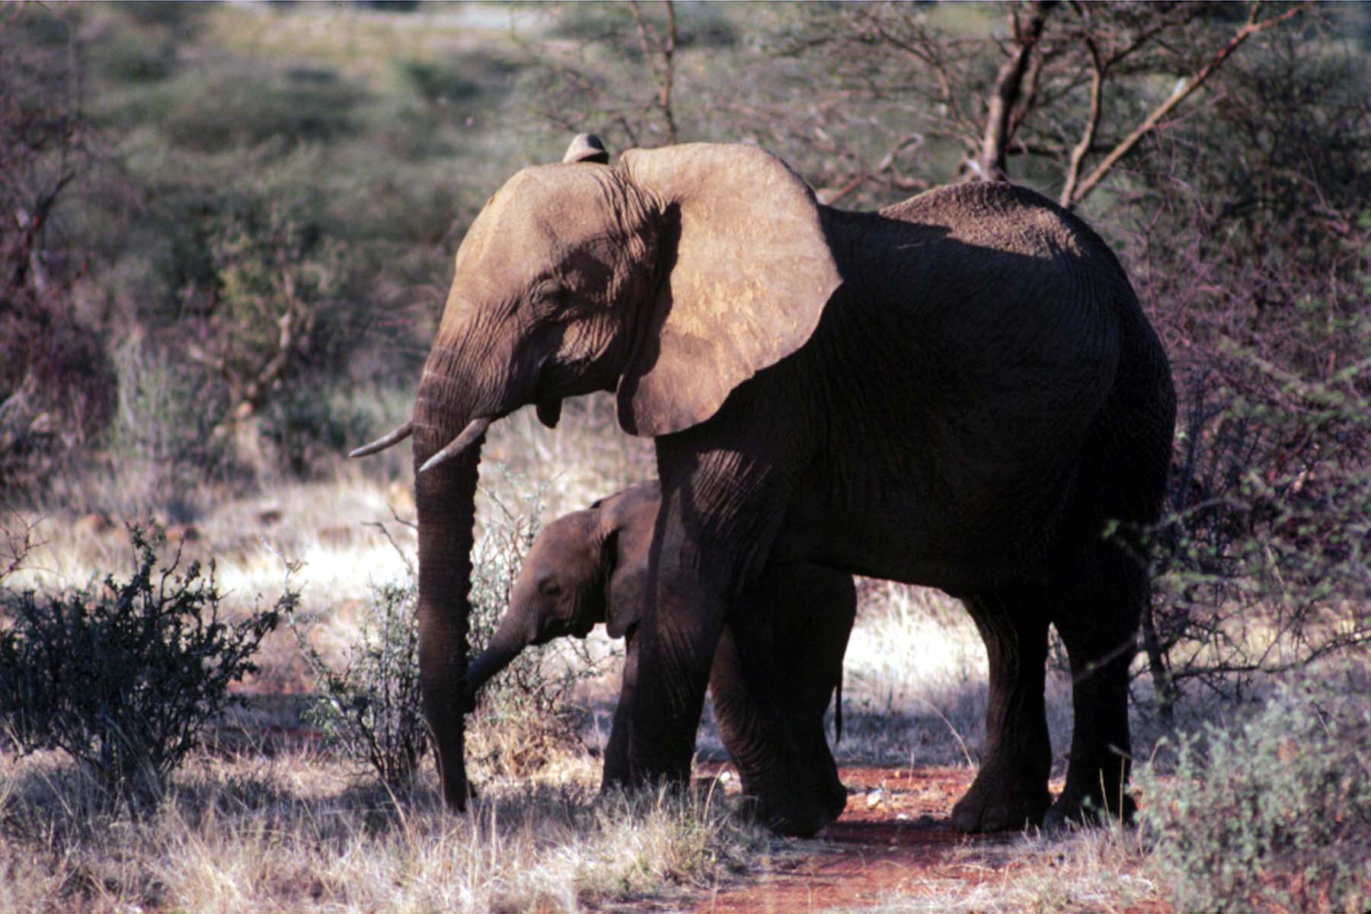
according to the population size

Now move to Exercise 6 by clicking on the Ex 6 tab below

 | Darwin modeled population growth of elephants which he 'reckoned' were among the animals with the slowest growing population. Even with this, simple calculations showed that we would be up to our armpits in elephants very quickly if geometric growth increased without any dampening of growth.

Ex 6
EXERCISE 6: Building a logistic population model

 | In logistic models, we use 'r' to denote growth rate, not l (they are related: r + 1 = l)
 | Think of this as a discrete "r" -- the way the model is built requires that we use an r and not a l
 | The model assumes a population size above which the population cannot grow, or K the carrying capacity
 | The following growth parameter is used to adjust the population growth rate as N changes:
 | Growth rate multiplier = r (1 - Nt/K)
 | Note: when Nt = 0, the realized growth rate is r, the maximum possible, because r is multipled by 1
 | when Nt = K, the realized growth rate is 0, the population is stable, because r is multiplied by 0
 | Thus, this allows a simple way to put the brakes on growth rate as the population increases

 | The equation used to calculate Nt+1 based on Nt is: |  | Nt+1 = Nt + rNt (1 - Nt/K)

LOGISTIC POPULATION GROWTH
 | r = | 2
 | K = | 1000

Enter the following different values of r (0.3, 0.5, 0.7, 0.9)
in the yellow box above and answer these questions about
the shape of the resultant population growth on the graph
provided (this pattern is called "sigmoidal")
1) | What type of population growth that we modeled earlier
 | does the logistic mimic early on at lower levels of N?
Note: You will only get a sigmoidal pattern for the ranges of r
listed above - Next, we'll explore what happens as r increases

Now move to Exercise 7 by clicking on the Ex 7 tab below
 |  |  |  | TIME | 1 | 2 | 3 | 4 | 5 | 6 | 7 | 8 | 9 | 10 | 11 | 12 | 13 | 14 | 15 | 16 | 17 | 18 | 19 | 20 | 21 | 22 | 23 | 24 | 25
 |  |  |  | N LOGISITIC | 10 | 29.8 | 87.62392 | 247.51585729 | 620.01937265 | 1091.210073 | 892.15137213 | 1084.5859748 | 901.10445093 | 1079.3348898 | 908.0770607 | 1075.0232858 | 913.71972743 | 1071.3917017 | 918.41474815 | 1068.2729452 | 922.40466469 | 1065.5532632 | 925.85227619 | 1063.1519539 | 928.87170751 | 1061.0098245 | 931.54577813 | 1059.0822609 | 933.93631201
 |  |  |  | N GEOMETRIC | 10 | 30 | 90 | 270 | 810 | 2430 | 7290 | 21870 | 65610 | 196830 | 590490 | 1771470 | 5314410 | 15943230 | 47829690 | 143489070 | 430467210 | 1291401630 | 3874204890 | 11622614670 | 34867844010 | 104603532030 | 313810596090 | 941431788270 | 2824295364810

Ex 7
EXERCISE 7: Comparing logistic and geometric population growth

 | As before, enter different values of r and notice the final population sizes for the two population growth models
 | But this time, contrast the difference in population size at time = 25 of two populations
 | with identical growth potential (r), but where one has logistic growth and the other geometric

 |  |  | AT TIME T = 25
 | r = | 1 | N LOGISTIC = | 1000
 | K = | 1000 | N GEOMETRIC = | 167772160
LOGISTIC POPULATION GROWTH
GEOMETRIC POPULATION GROWTH
 |  |  |  |  | TIME | 1 | 2 | 3 | 4 | 5 | 6 | 7 | 8 | 9 | 10 | 11 | 12 | 13 | 14 | 15 | 16 | 17 | 18 | 19 | 20 | 21 | 22 | 23 | 24 | 25
 |  |  |  |  | N LOGISITIC | 10 | 19.9 | 39.40399 | 77.255305572 | 148.54222891 | 275.01966404 | 474.40351247 | 723.7483323 | 923.68501609 | 994.17602323 | 999.96608129 | 999.99999885 | 1000 | 1000 | 1000 | 1000 | 1000 | 1000 | 1000 | 1000 | 1000 | 1000 | 1000 | 1000 | 1000
 |  |  |  |  | N GEOMETRIC | 10 | 20 | 40 | 80 | 160 | 320 | 640 | 1280 | 2560 | 5120 | 10240 | 20480 | 40960 | 81920 | 163840 | 327680 | 655360 | 1310720 | 2621440 | 5242880 | 10485760 | 20971520 | 41943040 | 83886080 | 167772160

1) | What are the population sizes at t = 25 for the logistic and the geometric population models when r = 0.5 and 1?

Now move to Exercise 8 by clicking on the Ex 8 tab below

Ex 8
EXERCISE 8: Comparing population size (N) versus rate of change of population size (D N)

 | The graph below on the left shows the population size (N) at time T
 | The graph below on the right shows the rate of change of population size (D N, or Nt+1 - Nt) at time T
 | You can think of D N as a proxy for the realized population growth rate—how many net individuals are added to the population
 | Note: Values of r around .5 to .7 give a result for D N that is similar to continous models
 | i.e. a symmetrical hump; the peak on the right graph is the inflection point on the left graph where growth rate is maximum
LOGISTIC POPULATION GROWTH
RATE OF POPULATION CHANGE VERSUS TIME
 |  | 1 | 2 | 3 | 4 | 5 | 6 | 7 | 8 | 9 | 10 | 11 | 12 | 13 | 14 | 15 | 16 | 17 | 18 | 19 | 20 | 21 | 22 | 23 | 24 | 25 | 26 | 27 | 28 | 29 | 30 | 31 | 32 | 33 | 34 | 35 | 36 | 37 | 38 | 39 | 40 | 41 | 42 | 43 | 44 | 45 | 46 | 47 | 48 | 49 | 50
 |  | 10 | 14.95 | 22.31324875 | 33.22093259 | 49.279583704 | 72.705136871 | 106.41468684 | 153.95998748 | 219.08814234 | 304.63240646 | 410.54815815 | 531.54734215 | 656.04972475 | 768.87396645 | 857.72736153 | 918.74292894 | 956.07010867 | 977.07013666 | 988.27217901 | 994.06731861 | 997.01606095 | 998.50357853 | 999.25066963 | 999.62505407 | 999.81245674 | 999.90621078 | 999.95310099 | 999.9765494 | 999.98827442 | 999.99413714 | 999.99706855 | 999.99853427 | 999.99926714 | 999.99963357 | 999.99981678 | 999.99990839 | 999.9999542 | 999.9999771 | 999.99998855 | 999.99999427 | 999.99999714 | 999.99999857 | 999.99999928 | 999.99999964 | 999.99999982 | 999.99999991 | 999.99999996 | 999.99999998 | 999.99999999 | 999.99999999
 |  | 10 | 14.95 | 22.31324875 | 33.22093259 | 49.279583704 | 72.705136871 | 106.41468684 | 153.95998748 | 219.08814234 | 304.63240646 | 410.54815815 | 531.54734215 | 656.04972475 | 768.87396645 | 857.72736153 | 918.74292894 | 956.07010867 | 977.07013666 | 988.27217901 | 994.06731861 | 997.01606095 | 998.50357853 | 999.25066963 | 999.62505407 | 999.81245674 | 999.90621078 | 999.95310099 | 999.9765494 | 999.98827442 | 999.99413714 | 999.99706855 | 999.99853427 | 999.99926714 | 999.99963357 | 999.99981678 | 999.99990839 | 999.9999542 | 999.9999771 | 999.99998855 | 999.99999427 | 999.99999714 | 999.99999857 | 999.99999928 | 999.99999964 | 999.99999982 | 999.99999991 | 999.99999996 | 999.99999998 | 999.99999999 | 999.99999999
 |  | 0 | 4.95 | 7.36324875 | 10.90768384 | 16.058651114 | 23.425553167 | 33.709549972 | 47.545300634 | 65.128154866 | 85.544264114 | 105.9157517 | 120.999184 | 124.5023826 | 112.8242417 | 88.853395082 | 61.015567405 | 37.327179732 | 21.000027988 | 11.202042354 | 5.7951396008 | 2.9487423387 | 1.4875175775 | 0.74709109624 | 0.37438443872 | 0.18740267514 | 0.09375404356 | 0.046890209808 | 0.023448403354 | 0.01172502647 | 0.0058627194559 | 0.002931411286 | 0.0014657185328 | 0.00073286248903 | 0.0003664320501 | 0.00018321622645 | 9.1608163643E-05 | 4.580409427E-05 | 2.2902050318E-05 | 1.1451026012E-05 | 5.7255131196E-06 | 2.8627566735E-06 | 1.4313783367E-06 | 7.1568922522E-07 | 3.5784455577E-07 | 1.7892227788E-07 | 8.9461195785E-08 | 4.4730541049E-08 | 2.2365270524E-08 | 1.1182578419E-08 | 5.5913460528E-09

 | r = | 0.5 |  | Enter the following different values of r (0.3, 0.5, 0.7, 0.9) in the yellow cell.
 | K = | 1000 |  | Note how changing r changes the graph on the right—what specifically changes?
 |  |  |  | There is no answer to put on the answer sheet for this exercize

Now move to Exercise 9 by clicking on the Ex 9 tab below

Ex 9
EXERCISE 9: Funky population dynamics with logistic discrete models

FUNKY POPULATION DYNAMICS
 | Something bizarre happens when we start making r bigger and bigger in discrete logistic models
 | Enter the following r values, in sequence, in the yellow box below and note how the population dynamics change:
 | r = 0.5, 0.8, 1, 1.3, 1.5
 | r = 1.6, 1.7, 1.8, 1.9
 | r = 2.1, 2.3, 2.4
 | r = 2.5, 2.55, 2.56
 | r = 2.58, 2.6, 2.8, 2.9, 3.0
 | r = 3.05

 | r = | 0
 | K = | 2

1) | Match the range in r with the resulting population dynamics for a logistic population growth model:
 | r = 0.5 - 1.5 |  | A. | Approaches K with dampened oscillations
 | r = 1.6 - 1.9 |  | B. | CHAOS!!! Population sizes are different at every time step, no repeating patterns
 | r = 2.1 - 2.4 |  | C. | More complex limit cycles that show repeated patterns
 | r = 2.5 - 2.56 |  | D. | Population crashes
 | r = 2.58 - 3.0 |  | E. | Smooth approach to K
 | r = 3.05 |  | F. | Stable, 2 point limit cycles

Now move to Exercise 10 by clicking on the Ex 10 tab below |  |  |  |  | 1 | 2 | 3 | 4 | 5 | 6 | 7 | 8 | 9 | 10 | 11 | 12 | 13 | 14 | 15 | 16 | 17 | 18 | 19 | 20 | 21 | 22 | 23 | 24 | 25 | 26 | 27 | 28 | 29 | 30 | 31 | 32 | 33 | 34 | 35 | 36 | 37 | 38 | 39 | 40 | 41 | 42 | 43 | 44 | 45 | 46 | 47 | 48 | 49 | 50
 |  |  |  |  | 10 | 10 | 10 | 10 | 10 | 10 | 10 | 10 | 10 | 10 | 10 | 10 | 10 | 10 | 10 | 10 | 10 | 10 | 10 | 10 | 10 | 10 | 10 | 10 | 10 | 10 | 10 | 10 | 10 | 10 | 10 | 10 | 10 | 10 | 10 | 10 | 10 | 10 | 10 | 10 | 10 | 10 | 10 | 10 | 10 | 10 | 10 | 10 | 10 | 10
 |  |  |  |  | 10 | 10 | 10 | 10 | 10 | 10 | 10 | 10 | 10 | 10 | 10 | 10 | 10 | 10 | 10 | 10 | 10 | 10 | 10 | 10 | 10 | 10 | 10 | 10 | 10 | 10 | 10 | 10 | 10 | 10 | 10 | 10 | 10 | 10 | 10 | 10 | 10 | 10 | 10 | 10 | 10 | 10 | 10 | 10 | 10 | 10 | 10 | 10 | 10 | 10

Ex 10
EXERCISE 10. Initial population size and chaos

 | Is Chaos stochastic or deterministic?
 | CHAOS: Chaos begins precisely when r > 2.57.
 | A signature of chaos is that the population size appears to be randomly fluctuating over time (i.e. it looks like a stochastic).
 | However, the remarkable thing about CHAOS is that what appear to be random population fluctuations are actually deterministic
CHAOS: INITIAL CONDITIONS MATTER
 | N0 = | 11
 | r = | 2.7
 | K = | 1000

 |  |  |  | 1 | 2 | 3 | 4 | 5 | 6 | 7 | 8 | 9 | 10 | 11 | 12 | 13 | 14 | 15 | 16 | 17 | 18 | 19 | 20 | 21 | 22 | 23 | 24 | 25 | 26 | 27 | 28 | 29 | 30 | 31 | 32 | 33 | 34 | 35 | 36 | 37 | 38 | 39 | 40 | 41 | 42 | 43 | 44 | 45 | 46 | 47 | 48 | 49 | 50
 |  |  |  | 11 | 40.3733 | 144.98020095 | 479.6747451 | 1153.5593319 | 675.28187095 | 1267.3277884 | 352.58956435 | 968.9190057 | 1050.2294141 | 907.79791202 | 1133.790242 | 724.22705072 | 1263.477071 | 364.65452862 | 990.19485774 | 1016.4091616 | 971.37742164 | 1046.4464028 | 915.21649068 | 1124.7237085 | 745.96848614 | 1257.6171465 | 382.86104678 | 1020.812904 | 963.44848535 | 1058.5303392 | 891.24876172 | 1152.9446591 | 676.83549381 | 1267.4043558 | 352.34885362 | 968.48652884 | 1050.891534 | 906.49153191 | 1135.356045 | 720.42732437 | 1264.23917 | 362.27309586 | 986.05760552 | 1023.1772166 | 959.14833662 | 1064.9419101 | 878.21163335 | 1166.9927264 | 640.81862424 | 1262.2779349 | 368.39527974 | 996.63181327 | 1005.6952868
 |  |  |  | 11 | 40.3733 | 144.98020095 | 479.6747451 | 1153.5593319 | 675.28187095 | 1267.3277884 | 352.58956435 | 968.9190057 | 1050.2294141 | 907.79791202 | 1133.790242 | 724.22705072 | 1263.477071 | 364.65452862 | 990.19485774 | 1016.4091616 | 971.37742164 | 1046.4464028 | 915.21649068 | 1124.7237085 | 745.96848614 | 1257.6171465 | 382.86104678 | 1020.812904 | 963.44848535 | 1058.5303392 | 891.24876172 | 1152.9446591 | 676.83549381 | 1267.4043558 | 352.34885362 | 968.48652884 | 1050.891534 | 906.49153191 | 1135.356045 | 720.42732437 | 1264.23917 | 362.27309586 | 986.05760552 | 1023.1772166 | 959.14833662 | 1064.9419101 | 878.21163335 | 1166.9927264 | 640.81862424 | 1262.2779349 | 368.39527974 | 996.63181327 | 1005.6952868

Try the following activites and answer the corresponding questions:
1) | Re-enter the same N0 and r into the yellow boxes above and observe how the population trajectory changes.
 | Does the population trajectory change when the logistic model is re-run? How does this compare to re-running
 | a stochastic model with the same initial conditions (you can go back to Exercise 5 if you don't remember)?
2) | Enter the following series of initial population size in the yellow box: |  | N0 = 10, 11, 12, 13, 20
 | How did these tiny changes in starting size affect the population dynamics?

Now move to Exercise 11 by clicking on the Ex 11 tab below

Ex 11
EXERCISE 11. How to test for chaos

 | A cool property of chaos: when plotted in a particular way, the populations fall on a STRANGE ATTRACTOR
 | To see this, one plots the population sizes for each successive time interval, plotting the population size at time interval t + 1
 | on the y axis and the population size at the previous time interval t on the X axis
 | The graph below on the LEFT shows such a plot and allows you to find out for yourself the shape of the
 | strange attractor for chaotic population dynamics
 | The graph below on the RIGHT below is the standard plot of population size as a function of time and is provided for reference.

STRANGE ATTRACTOR: A SIGNATURE OF CHAOS
POPULATION SIZE OVER TIME

 |  |  |  |  | 1 | 2 | 3 | 4 | 5 | 6 | 7 | 8 | 9 | 10 | 11 | 12 | 13 | 14 | 15 | 16 | 17 | 18 | 19 | 20 | 21 | 22 | 23 | 24 | 25 | 26 | 27 | 28 | 29 | 30 | 31 | 32 | 33 | 34 | 35 | 36 | 37 | 38 | 39 | 40 | 41 | 42 | 43 | 44 | 45 | 46 | 47 | 48 | 49 | 50
 |  |  |  |  | 10 | 39.7 | 154.07173 | 545.07262604 | 1288.9780012 | 171.51914211 | 597.82012011 | 1319.1137924 | 56.271577646 | 215.58683923 | 722.91430118 | 1323.8419442 | 37.695297255 | 146.51838271 | 521.67062144 | 1270.2617739 | 240.35217278 | 788.10119024 | 1289.0943028 | 171.0848467 | 596.5293125 | 1318.575588 | 58.377608256 | 223.28659759 | 743.57567636 | 1315.588346 | 70.035295547 | 265.42635432 | 850.35196858 | 1232.1124629 | 374.14648783 | 1076.6291683 | 829.12557519 | 1254.1546425 | 297.90696824 | 925.38218778 | 1132.5321707 | 682.24132967 | 1332.605623 | 2.9092528454 | 11.611620125 | 46.041991336 | 177.80837044 | 616.38603198 | 1325.7489067 | 30.165136113 | 117.93073814 | 429.99997557 | 1165.2999653 | 587.42783381
 |  |  |  |  | 10 | 39.7 | 154.07173 | 545.07262604 | 1288.9780012 | 171.51914211 | 597.82012011 | 1319.1137924 | 56.271577646 | 215.58683923 | 722.91430118 | 1323.8419442 | 37.695297255 | 146.51838271 | 521.67062144 | 1270.2617739 | 240.35217278 | 788.10119024 | 1289.0943028 | 171.0848467 | 596.5293125 | 1318.575588 | 58.377608256 | 223.28659759 | 743.57567636 | 1315.588346 | 70.035295547 | 265.42635432 | 850.35196858 | 1232.1124629 | 374.14648783 | 1076.6291683 | 829.12557519 | 1254.1546425 | 297.90696824 | 925.38218778 | 1132.5321707 | 682.24132967 | 1332.605623 | 2.9092528454 | 11.611620125 | 46.041991336 | 177.80837044 | 616.38603198 | 1325.7489067 | 30.165136113 | 117.93073814 | 429.99997557 | 1165.2999653 | 587.42783381
 |  |  |  |  | 39.7 | 154.07173 | 545.07262604 | 1288.9780012 | 171.51914211 | 597.82012011 | 1319.1137924 | 56.271577646 | 215.58683923 | 722.91430118 | 1323.8419442 | 37.695297255 | 146.51838271 | 521.67062144 | 1270.2617739 | 240.35217278 | 788.10119024 | 1289.0943028 | 171.0848467 | 596.5293125 | 1318.575588 | 58.377608256 | 223.28659759 | 743.57567636 | 1315.588346 | 70.035295547 | 265.42635432 | 850.35196858 | 1232.1124629 | 374.14648783 | 1076.6291683 | 829.12557519 | 1254.1546425 | 297.90696824 | 925.38218778 | 1132.5321707 | 682.24132967 | 1332.605623 | 2.9092528454 | 11.611620125 | 46.041991336 | 177.80837044 | 616.38603198 | 1325.7489067 | 30.165136113 | 117.93073814 | 429.99997557 | 1165.2999653 | 587.42783381 | #REF!

 | Enter the following numbers in the yellow box below, and note that pattern that is indicative of chaos (r = 1.5, 2, 2.4, 2.8, 3):

 | r = | 3 | Answer the following final question:
 | K = | 1000 | 1) | What does the signature of chaos look like to you?? Describe it.

YOU HAVE REACHED THE END OF THE ROAD: LIVE LONG AND PROSPER

